Game 1
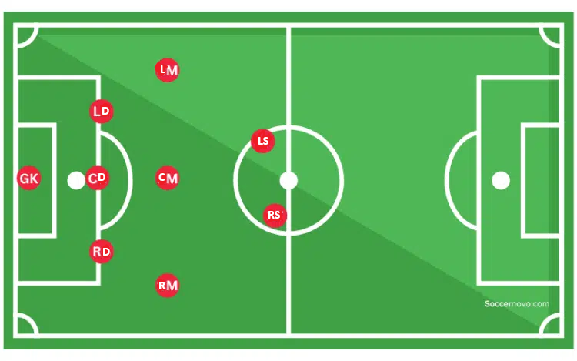
 |  | First half |  |  |  |  | Second half |  |  |  |  |  |  | Offense time | 0:12:00 | 0:24:00 | 0:24:00 | 0:08:00 | 0:08:00 | 0:24:00 | 0:08:00 | 0:24:00 | 0:00:00 | 0:08:00 | 0:16:00 | 0:16:00 | 0:20:00 | 0:08:00
 |  | 0:03:00 | 0:06:00 | 0:09:00 | 0:12:00 | 0:15:00 | 0:03:00 | 0:06:00 | 0:09:00 | 0:12:00 | 0:15:00 |  |  | Defense time | 0:16:00 | 0:04:00 | 0:00:00 | 0:16:00 | 0:28:00 | 0:00:00 | 0:20:00 | 0:00:00 | 0:16:00 | 0:16:00 | 0:12:00 | 0:08:00 | 0:04:00 | 0:20:00
 | Position | 0:04:00 | 0:08:00 | 0:12:00 | 0:16:00 | 0:20:00 | 0:04:00 | 0:08:00 | 0:12:00 | 0:16:00 | 0:20:00 |  |  |  | Player 1 | Player 2 | Player 3 | Player 4 | Player 5 | Player 6 | Player 7 | Player 8 | Player 9 | Player 10 | Player 11 | Player 12 | Player 13 | Player 14
 | Goalkeeper (GK) | Player 14 | Player 14 | Player 14 | Player 14 | Player 14 | Player 5 | Player 5 | Player 5 | Player 5 | Player 5 |  |  |  | 0:00:00 | 0:00:00 | 0:00:00 | 0:00:00 | 0:20:00 | 0:00:00 | 0:00:00 | 0:00:00 | 0:00:00 | 0:00:00 | 0:00:00 | 0:00:00 | 0:00:00 | 0:20:00
 | Right Defender (RD) | Player 9 | Player 9 | Player 10 | Player 10 | Player 13 | Player 10 | Player 10 | Player 9 | Player 9 | Player 4 |  |  |  | 0:00:00 | 0:00:00 | 0:00:00 | 0:04:00 | 0:00:00 | 0:00:00 | 0:00:00 | 0:00:00 | 0:16:00 | 0:16:00 | 0:00:00 | 0:00:00 | 0:04:00 | 0:00:00
 | Center Defender (CD) | Player 7 | Player 7 | Player 7 | Player 12 | Player 12 | Player 2 | Player 1 | Player 1 | Player 1 | Player 1 |  |  |  | 0:16:00 | 0:04:00 | 0:00:00 | 0:00:00 | 0:00:00 | 0:00:00 | 0:12:00 | 0:00:00 | 0:00:00 | 0:00:00 | 0:00:00 | 0:08:00 | 0:00:00 | 0:00:00
 | Left Defender (LD) | Player 4 | Player 4 | Player 4 | Player 5 | Player 5 | Player 11 | Player 11 | Player 11 | Player 7 | Player 7 |  |  |  | 0:00:00 | 0:00:00 | 0:00:00 | 0:12:00 | 0:08:00 | 0:00:00 | 0:08:00 | 0:00:00 | 0:00:00 | 0:00:00 | 0:12:00 | 0:00:00 | 0:00:00 | 0:00:00
 | Right Midfielder (RM) | Player 11 | Player 11 | Player 8 | Player 8 | Player 8 | Player 3 | Player 3 | Player 3 | Player 10 | Player 10 |  |  |  | 0:00:00 | 0:00:00 | 0:12:00 | 0:00:00 | 0:00:00 | 0:00:00 | 0:00:00 | 0:12:00 | 0:00:00 | 0:08:00 | 0:08:00 | 0:00:00 | 0:00:00 | 0:00:00
 | Center Midfielder (CM) | Player 5 | Player 5 | Player 1 | Player 1 | Player 1 | Player 14 | Player 14 | Player 6 | Player 6 | Player 6 |  |  |  | 0:12:00 | 0:00:00 | 0:00:00 | 0:00:00 | 0:08:00 | 0:12:00 | 0:00:00 | 0:00:00 | 0:00:00 | 0:00:00 | 0:00:00 | 0:00:00 | 0:00:00 | 0:08:00
 | Left Midfielder (LM) | Player 12 | Player 12 | Player 3 | Player 3 | Player 2 | Player 4 | Player 4 | Player 8 | Player 8 | Player 8 |  |  |  | 0:00:00 | 0:04:00 | 0:08:00 | 0:08:00 | 0:00:00 | 0:00:00 | 0:00:00 | 0:12:00 | 0:00:00 | 0:00:00 | 0:00:00 | 0:08:00 | 0:00:00 | 0:00:00
 | Right Striker (RS) | Player 2 | Player 2 | Player 2 | Player 11 | Player 11 | Player 13 | Player 13 | Player 13 | Player 2 | Player 2 |  |  |  | 0:00:00 | 0:20:00 | 0:00:00 | 0:00:00 | 0:00:00 | 0:00:00 | 0:00:00 | 0:00:00 | 0:00:00 | 0:00:00 | 0:08:00 | 0:00:00 | 0:12:00 | 0:00:00
 | Left Striker (LS) | Player 13 | Player 13 | Player 6 | Player 6 | Player 6 | Player 7 | Player 7 | Player 12 | Player 12 | Player 3 |  |  |  | 0:00:00 | 0:00:00 | 0:04:00 | 0:00:00 | 0:00:00 | 0:12:00 | 0:08:00 | 0:00:00 | 0:00:00 | 0:00:00 | 0:00:00 | 0:08:00 | 0:08:00 | 0:00:00
 |  |  |  |  |  |  |  |  |  |  |  | 20min halves | 15min halves
Players | Grade |  |  |  |  |  |  |  |  |  |  | Play time
Player 1 | 2 | OUT | OUT | IN | IN | IN | OUT | IN | IN | IN | IN | 0:28:00 | 0:21:00
Player 2 | 2 | IN | IN | IN | OUT | IN | IN | OUT | OUT | IN | IN | 0:28:00 | 0:21:00
Player 3 | 1 | OUT | OUT | IN | IN | OUT | IN | IN | IN | OUT | IN | 0:24:00 | 0:18:00
Player 4 | 1 | IN | IN | IN | OUT | OUT | IN | IN | OUT | OUT | IN | 0:24:00 | 0:18:00
Player 5 | 2 | IN | IN | OUT | IN | IN | IN | IN | IN | IN | IN | 0:36:00 | 0:27:00
Player 6 | 2 | OUT | OUT | IN | IN | IN | OUT | OUT | IN | IN | IN | 0:24:00 | 0:18:00
Player 7 | 2 | IN | IN | IN | OUT | OUT | IN | IN | OUT | IN | IN | 0:28:00 | 0:21:00
Player 8 | 2 | OUT | OUT | IN | IN | IN | OUT | OUT | IN | IN | IN | 0:24:00 | 0:18:00
Player 9 | 2 | IN | IN | OUT | OUT | OUT | OUT | OUT | IN | IN | OUT | 0:16:00 | 0:12:00
Player 10 | 1 | OUT | OUT | IN | IN | OUT | IN | IN | OUT | IN | IN | 0:24:00 | 0:18:00
Player 11 | 1 | IN | IN | OUT | IN | IN | IN | IN | IN | OUT | OUT | 0:28:00 | 0:21:00
Player 12 | 1 | IN | IN | OUT | IN | IN | OUT | OUT | IN | IN | OUT | 0:24:00 | 0:18:00
Player 13 | 2 | IN | IN | OUT | OUT | IN | IN | IN | IN | OUT | OUT | 0:24:00 | 0:18:00
Player 14 | 2 | IN | IN | IN | IN | IN | IN | IN | OUT | OUT | OUT | 0:28:00 | 0:21:00

 | 1st graders | 3 | 3 | 3 | 4 | 2 | 4 | 4 | 3 | 2 | 3
 | 2nd graders | 6 | 6 | 6 | 5 | 7 | 5 | 5 | 6 | 7 | 6
 | On field | 9 | 9 | 9 | 9 | 9 | 9 | 9 | 9 | 9 | 9

